Dashboard
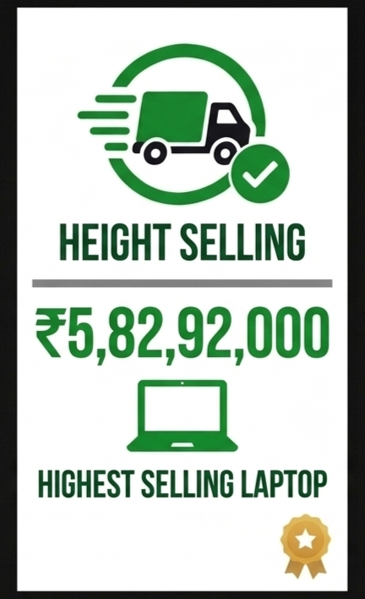
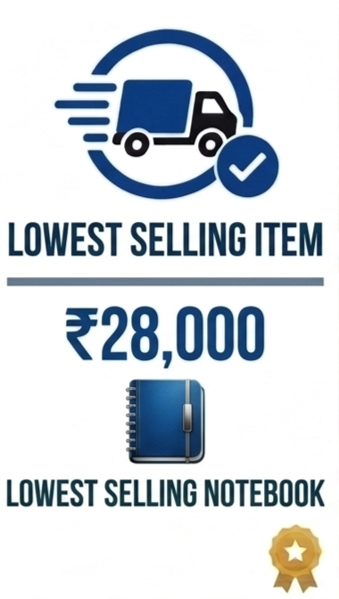
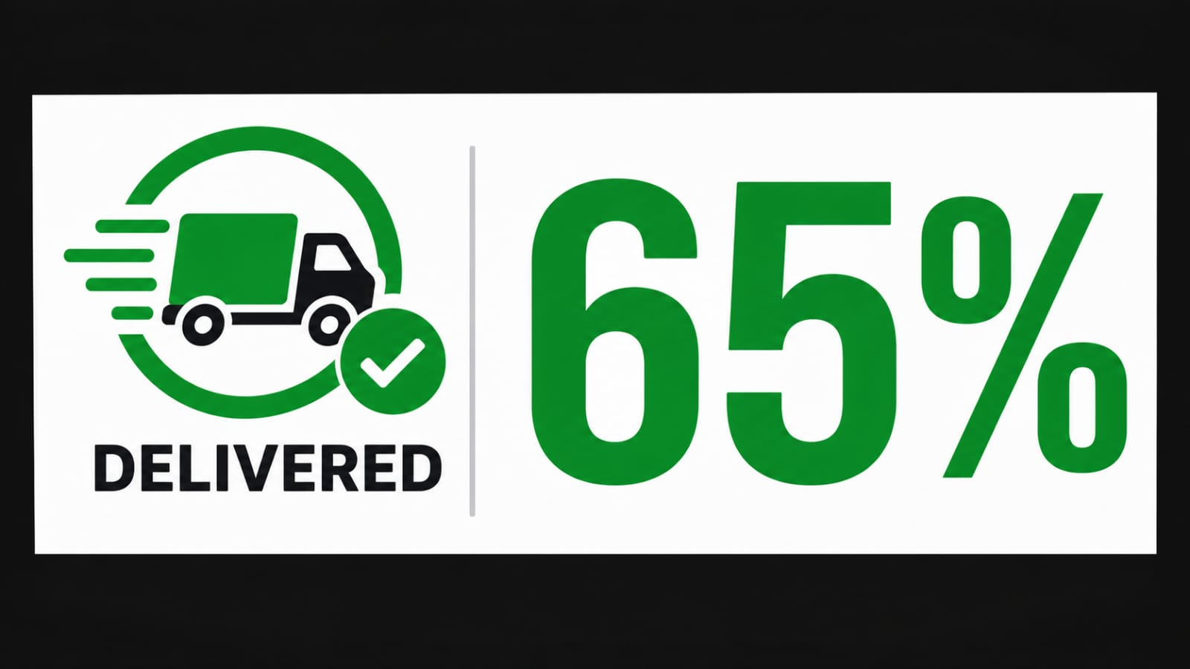

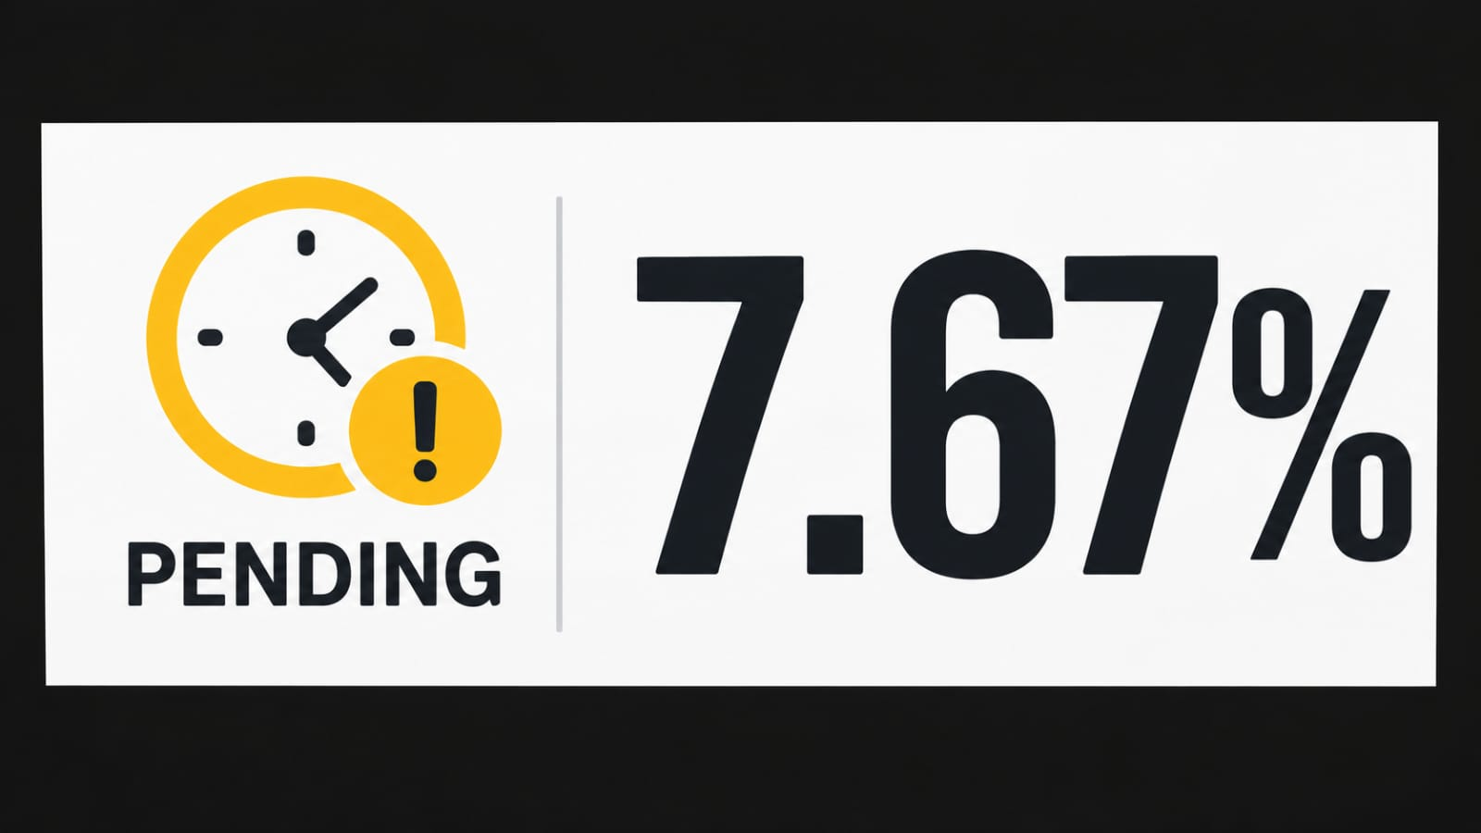
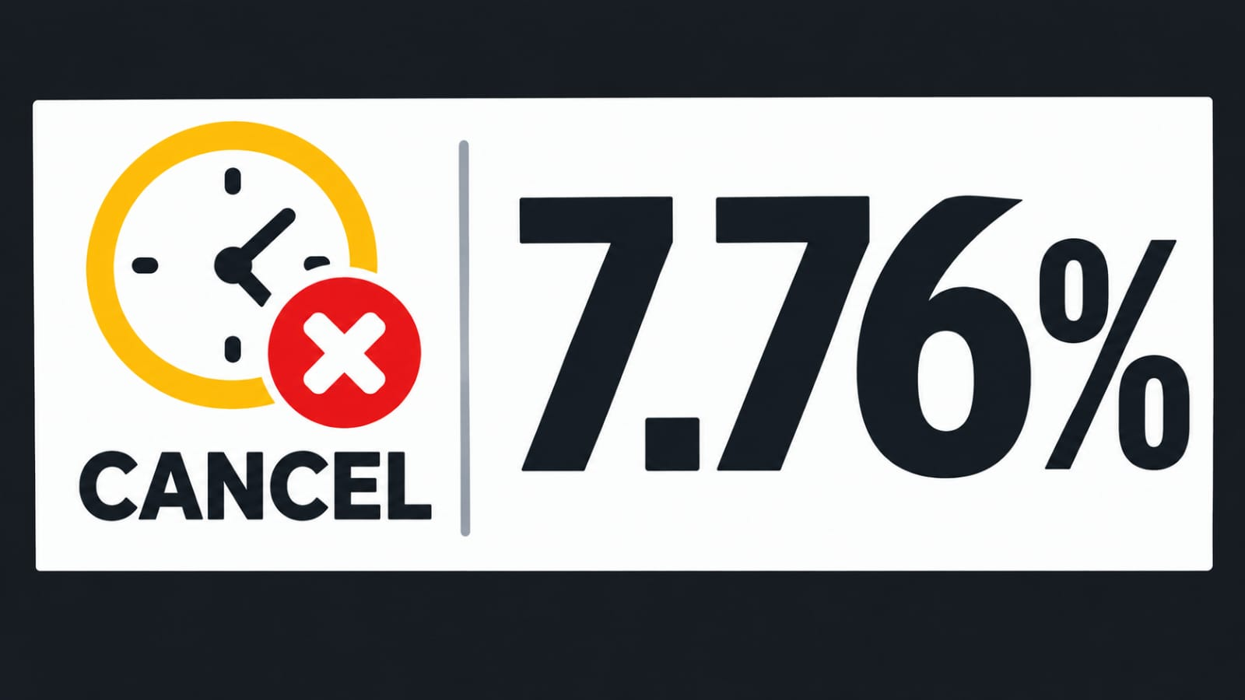


SUSUPLY-CHAIN ANALYSIS DASHBOARD

TOTAL QUANTITY SOLD
14,975
TOTAL SALES
₹ 10,22,88,490.00
TOTAL PROFIT
₹ 2,27,49,980.00
AVERAGE ORDER VALUE
₹ 3,40,961.63

REGION BY SALES & PROFIT
 | Sum of Total Sales | Sum of Total Profit
East | ₹ 64,008,900.00 | ₹ 14,881,010.00
North | ₹ 21,415,210.00 | ₹ 3,570,025.00
West | ₹ 16,864,380.00 | ₹ 4,298,945.00
CITY-WISE TOTAL SALES & PROFIT
 | Sum of Total Sales | Sum of Total Profit
Delhi | ₹ 21,415,210.00 | ₹ 3,570,025.00
Kolkata | ₹ 42,681,300.00 | ₹ 9,645,490.00
Mumbai | ₹ 16,864,380.00 | ₹ 4,298,945.00
Patna | ₹ 21,327,600.00 | ₹ 5,235,520.00
MONTH SALES REPORT
 | Sum of Total Sales | Sum of Total Profit
East | ₹ 64,008,900.00 | ₹ 14,881,010.00
North | ₹ 21,415,210.00 | ₹ 3,570,025.00
West | ₹ 16,864,380.00 | ₹ 4,298,945.00

